Random sales
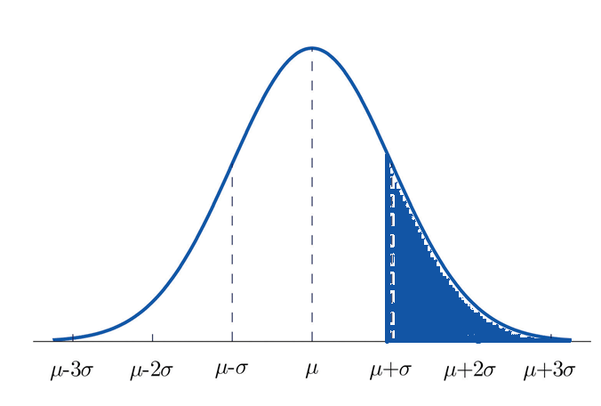
Monthly sale
Time | Sales (in thousands) | Average monthly sale (in thousands) | Residual | Comparison (1: Above baseline ; -1: Below baseline) | Runs count
Jan-16 | $22,000 | $25,273 | -$3,273 | -1 | 1 | No. of sale data points (H) | 22
Feb-16 | $28,000 | $25,273 | $2,727 | 1 | 1 | No. of above baseline (Ha) | 11
Mar-16 | $27,500 | $25,273 | $2,227 | 1 | 0 | No. of below baseline (Hb) | 11
Apr-16 | $24,500 | $25,273 | -$773 | -1 | 1 | No. of runs (R) | 14
May-16 | $27,000 | $25,273 | $1,727 | 1 | 1
Jun-16 | $25,500 | $25,273 | $227 | 1 | 0
Jul-16 | $24,000 | $25,273 | -$1,273 | -1 | 1 | Expected Run u ( R )= 1 + 2 Ha Hb / H | 12.00
Aug-16 | $29,000 | $25,273 | $3,727 | 1 | 1 | Stev d=sqrt ((u-1)*(u-2)/(H-1)) | 2.29
Sep-16 | $29,000 | $25,273 | $3,727 | 1 | 0 | Z value = (R-u)/d | 0.87
Oct-16 | $21,000 | $25,273 | -$4,273 | -1 | 1 | Cumulative probability | 0.81
Nov-16 | $24,000 | $25,273 | -$1,273 | -1 | 0 | Probability of randome variable | 81%
Dec-16 | $27,000 | $25,273 | $1,727 | 1 | 1
Jan-17 | $23,500 | $25,273 | -$1,773 | -1 | 1
Feb-17 | $22,000 | $25,273 | -$3,273 | -1 | 0
Mar-17 | $23,500 | $25,273 | -$1,773 | -1 | 0
Apr-17 | $25,500 | $25,273 | $227 | 1 | 1
May-17 | $28,500 | $25,273 | $3,227 | 1 | 0
Jun-17 | $21,500 | $25,273 | -$3,773 | -1 | 1
Jul-17 | $27,500 | $25,273 | $2,227 | 1 | 1
Aug-17 | $24,500 | $25,273 | -$773 | -1 | 1
Sep-17 | $22,000 | $25,273 | -$3,273 | -1 | 0
Oct-17 | $29,000 | $25,273 | $3,727 | 1 | 1

Monthly sale
 |  | Average monthly sale (in thousands)
Jan-16 | $22,000 | $25,273
Feb-16 | $28,000 | $25,273
Mar-16 | $27,500 | $25,273
Apr-16 | $24,500 | $25,273
May-16 | $27,000 | $25,273
Jun-16 | $25,500 | $25,273
Jul-16 | $24,000 | $25,273
Aug-16 | $29,000 | $25,273
Sep-16 | $29,000 | $25,273
Oct-16 | $21,000 | $25,273
Nov-16 | $24,000 | $25,273
Dec-16 | $27,000 | $25,273
Jan-17 | $23,500 | $25,273
Feb-17 | $22,000 | $25,273
Mar-17 | $23,500 | $25,273
Apr-17 | $25,500 | $25,273
May-17 | $28,500 | $25,273
Jun-17 | $21,500 | $25,273
Jul-17 | $27,500 | $25,273
Aug-17 | $24,500 | $25,273
Sep-17 | $22,000 | $25,273
Oct-17 | $29,000 | $25,273
p =0.81
81% of probability that the sales data is a random variable (No correlatioin with time)

Correlated sales
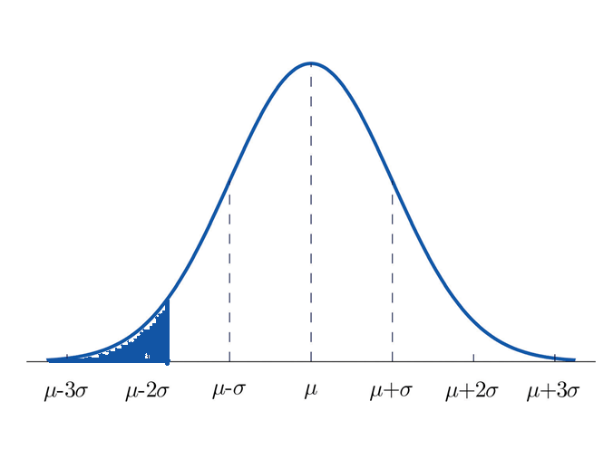
Monthly sale
Time | Sales (in thousands) | Average sales (in thousands) | Residual | Comparison (1: Above baseline ; -1: Below baseline) | Runs count
Jan-16 | $24,400 | $26,223 | -$1,823 | -1 | 1 | No. of sale data points (H) | 22
Feb-16 | $19,167 | $26,223 | -$7,056 | -1 | 0 | No. of above baseline (Ha) | 10
Mar-16 | $24,339 | $26,223 | -$1,883 | -1 | 0 | No. of below baseline (Hb) | 12
Apr-16 | $23,518 | $26,223 | -$2,704 | -1 | 0 | No. of runs (R) | 8
May-16 | $22,304 | $26,223 | -$3,919 | -1 | 0
Jun-16 | $23,095 | $26,223 | -$3,127 | -1 | 0
Jul-16 | $25,894 | $26,223 | -$329 | -1 | 0 | Expected Run u ( R )= 1 + 2 Ha Hb / H | 11.91
Aug-16 | $26,699 | $26,223 | $476 | 1 | 1 | Stev d=sqrt ((u-1)*(u-2)/(H-1)) | 2.27
Sep-16 | $23,510 | $26,223 | -$2,713 | -1 | 1 | Z value = (R-u)/d) | -1.72
Oct-16 | $27,929 | $26,223 | $1,706 | 1 | 1 | Cumulative probability | 0.04
Nov-16 | $23,154 | $26,223 | -$3,069 | -1 | 1 | Probability of randome variable | 4%
Dec-16 | $26,387 | $26,223 | $164 | 1 | 1
Jan-17 | $24,827 | $26,223 | -$1,396 | -1 | 1
Feb-17 | $24,474 | $26,223 | -$1,749 | -1 | 0
Mar-17 | $26,128 | $26,223 | -$95 | -1 | 0
Apr-17 | $29,790 | $26,223 | $3,568 | 1 | 1
May-17 | $31,460 | $26,223 | $5,237 | 1 | 0
Jun-17 | $27,138 | $26,223 | $915 | 1 | 0
Jul-17 | $30,424 | $26,223 | $4,201 | 1 | 0
Aug-17 | $30,917 | $26,223 | $4,694 | 1 | 0
p-value=0.04
4% of probability that the sales data is a random variable (No correlatioin with time
Sep-17 | $29,419 | $26,223 | $3,196 | 1 | 0
Oct-17 | $31,930 | $26,223 | $5,707 | 1 | 0

Monthly sale
 |  | Average sales (in thousands)
Jan-16 | $24,400 | $26,223
Feb-16 | $19,167 | $26,223
Mar-16 | $24,339 | $26,223
Apr-16 | $23,518 | $26,223
May-16 | $22,304 | $26,223
Jun-16 | $23,095 | $26,223
Jul-16 | $25,894 | $26,223
Aug-16 | $26,699 | $26,223
Sep-16 | $23,510 | $26,223
Oct-16 | $27,929 | $26,223
Nov-16 | $23,154 | $26,223
Dec-16 | $26,387 | $26,223
Jan-17 | $24,827 | $26,223
Feb-17 | $24,474 | $26,223
Mar-17 | $26,128 | $26,223
Apr-17 | $29,790 | $26,223
May-17 | $31,460 | $26,223
Jun-17 | $27,138 | $26,223
Jul-17 | $30,424 | $26,223
Aug-17 | $30,917 | $26,223
Sep-17 | $29,419 | $26,223
Oct-17 | $31,930 | $26,223

